Torque audit
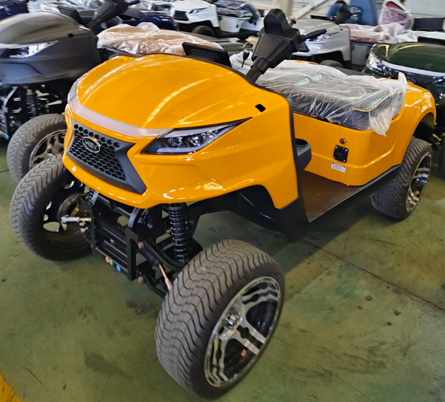
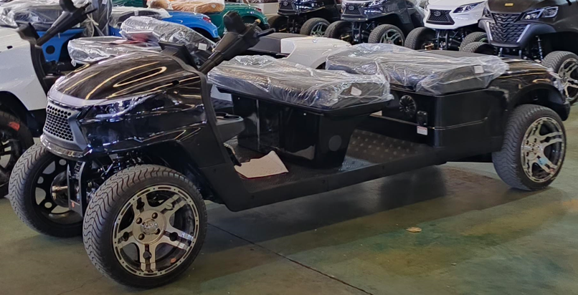
 |  | Document : FM-QU-57 Torque audit record |  |  |  |  | Revision : 02 |  |  |  |  | Page: 1/2
 |  |  |  |  |  |  | Effective date : 7-Apr-17
Project : Golf Buggy China
Detail : Common for each model
MSC : N/A
Vin no : ___________________________________________
Date : __________________________________________
 |  |  |  |  |  |  | In-process & Final |  |  | Issue by : Pattanate P. Date : 1-Jul-26 REV 07

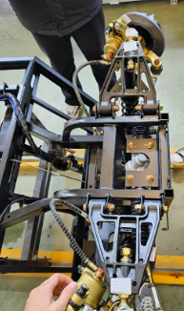
2
3
Torque Assurance |  |  | Tooling | LSL (Nm) | Standard torque (Nm.) | USL (Nm) | Position |  |  |  |  | Result | Average
 |  |  |  |  |  |  | Left side |  | Right side |  |  | OK / NG
1 | Steering gear |  | CTB50 Block no. | 28 | 31.5 (±3.5) | 35 | R1 |  | L1
R2
L2
 |  |  |  |  |  |  | R2 |  | L2
R1
L1
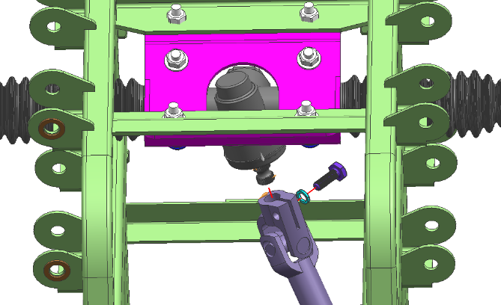
2 | Steering gear Bracket |  | CTB50 Block no. | 23 | 26.5 (±3.5) | 30 | R1 |  | L1
L1
R1
Only Hunting Model J
& J Golf to be review
 |  |  |  |  |  |  | R2 |  | L2
L2
R2
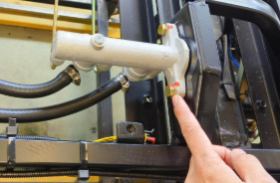
1
2
3 | Brake oil pump assembly |  | CTB50 Block no. | 23 | 25.5 (±2.5) | 28 | Point 1
3.1 |  |  |  |  |  |  | Point 2

2
1
3
3 | Brake oil pump assembly with Pedal Accerelator & Brake |  | CTB50 Block no. | 25 | 25-30 N.m. | 30 | Point 1
3.2 |  |  |  |  |  |  | Point 2
 |  |  |  |  |  |  | Point 3
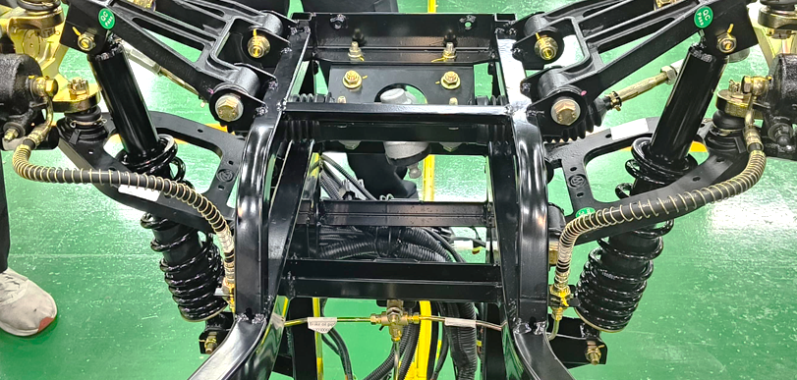
1
2
4 | Front brake Hollow bolt |  | CTB50 Block no. | 23 | 25 (±2) | 27 | Point 1 |  | Point 2

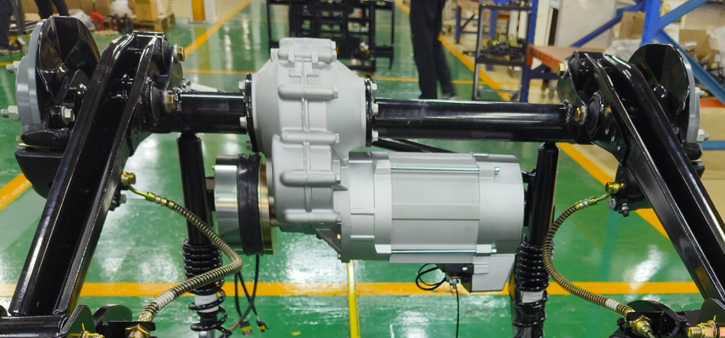
1
2
5 | Rear brake Hollow bolt |  | CTB50 Block no. | 23 | 25 (±2) | 27 | Point 1 |  | Point 2

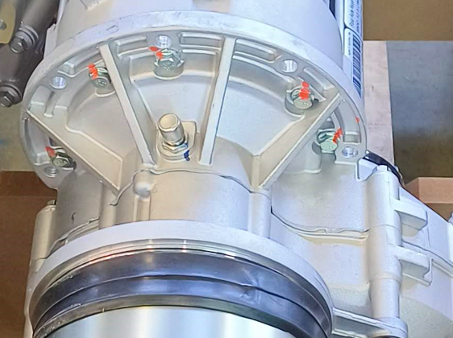
6 | Rear axle assy - motor |  | CTB20 Block no. | 9 | 12.5 (±3.5) | 16 | Point 1

 |  |  |  |  |  |  | Point 2
2
3
1
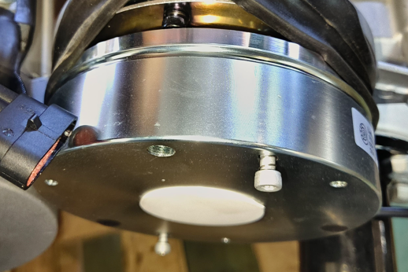
1
 |  |  |  |  |  |  | Point 3
7 | Rear axle sub-assy battery carrier |  | CTB20 Block no. | 9 | 12.5 (±3.5) | 16 | Point 1
 |  |  |  |  |  |  | Point 2
 |  |  |  |  |  |  | Point 3

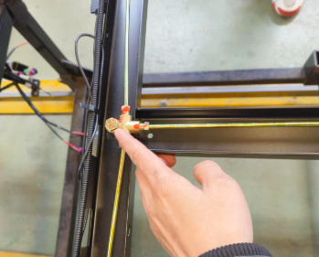
8 | Brake oil pump assembly |  | CTB50 Block no. | 23 | 25.5 (±2.5) | 28 | Point 1

 | Tool no. |  |  | Due date |  |  |  |  | Audit by:
1 |  |  |  |  |  |  |  |  | Date :
2
 |  | Document : FM-QU-57 Torque audit record |  |  |  |  | Revision : 02 |  |  |  |  | Page: 2/2
 |  |  |  |  |  |  | Effective date : 7-Apr-17
Project : Golf Buggy China
Detail : Common for each model
MSC : N/A
Vin no : ___________________________________________
Date : __________________________________________
 |  |  |  |  |  |  | In-process & Final |  |  | Issue by : Pattanate P. Date : 1-Jul-26 REV 07

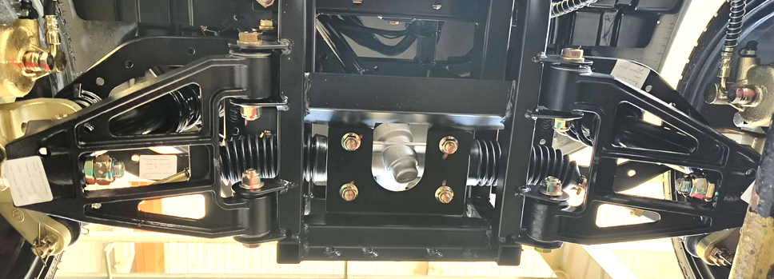
9 | Lower arm - Chassis mount |  | CTB100 Block no. | 55 | 60 (±5) | 65 | 1L |  | 1R
1L
1R
 |  |  |  |  |  |  | 2L |  | 2R
2L
2R
ตำแหน่งปีกนกบน รูปแบบเดียวกับข้อ 6
10 | Upper arm - Chassis mount |  | CTB10 Block no. | 55 | 60 (±5) | 65 | 1L |  | 1R
1L
1R
1R
 |  |  |  |  |  |  | 2L |  | 2R
2L
2R
2R
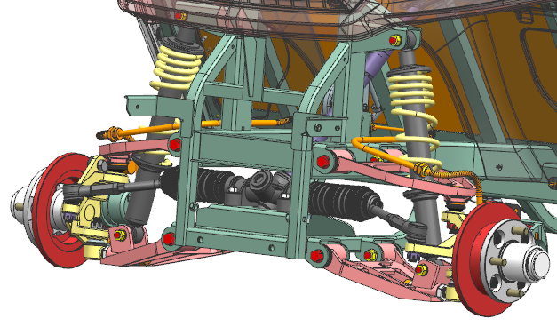
RH UPR
11 | Front shock Upper-Lower mount |  | CTB50 Block no. | 35 | 40 (±5) | 45 | LH Upper |  | RH Upper
LH UPR
 |  |  |  |  |  |  | LH Lower |  | RH Lower
RH LWR
LH LWR
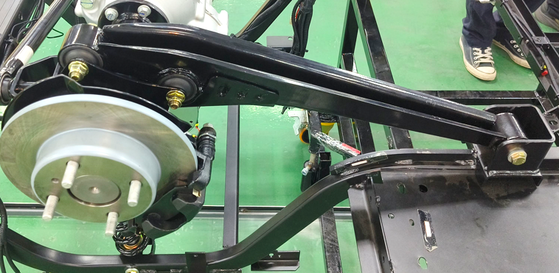
3
1
2
12 | Tailing arm |  | CTB100 Block no. | 75 | 80 (±5) | 85 | L1 |  | R1
 |  |  |  |  |  |  | L2 |  | R2
 |  |  |  |  |  |  | L3 |  | R3

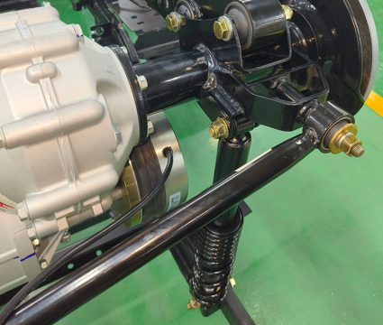
1
13 | Rear shock Upper mount |  | CTB100 Block no. | 40 | 45 (±5) | 50 | L1 |  | R1

2
 |  |  |  |  |  |  | L2 |  | R2

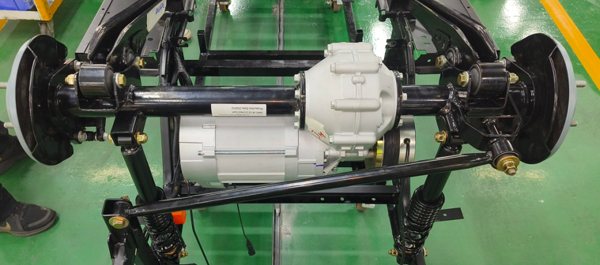
14 | Rear watt link |  | CTB100 Block no. | 40 | 45 (±5) | 50 | Point 1 |  | Point 2
1
2

1
2
3
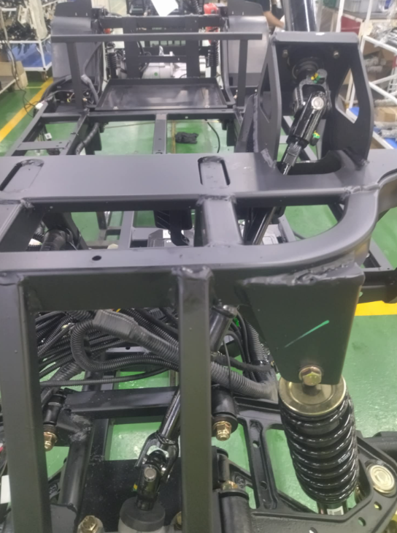 15 Steering joint |  |  | CTB50 Block no. | 23 | 26.5 (±3.5) | 30 | Point 1
 |  |  |  |  |  |  | Point 2
 |  |  |  |  |  |  | Point 3
A
B
C
D
E
16 Brake pipe (Click Torque Wrench) |  |  | CL50N | - | 20 | - | Point A FRT 3 ways brake pipe | 1 | 2 |  | 3
 |  |  |  |  |  |  | Point B Front brake pipe | 1 |  | 2
 |  |  |  |  |  |  | Point C Brake Pump | 1 |  | 2
 |  |  |  |  |  |  | Point D RR 3 ways brake pipe | 1 | 2 |  | 3
 |  |  |  |  |  |  | Point E Rear brake pipe | 1 |  | 2
 |  |  |  |  |  |  | Note : Item 16, ให้บันทึกค่า OK / NG - ทุกจุดหลังจากการตรวจสอบให้มาร์คสีเขียวด้วยปากกามาร์คเกอร์

 | Tool no. |  |  | Due date |  |  |  |  | Audit by:
1 |  |  |  |  |  |  |  |  | Date :
2
3

